Images of Failures
Issue

#16 and #20 | 1) | Send GetInputEvent with 30 timeout.
 | 2) | Enter a key from keypad
 | 3) | Enter a key from keypad
 | 4) | Now send GetInputEventData where doFlush=False.
 | 5) | SDK Test App crashes and the message below appears
 | 6) | This happens on both Test Apps 2.0.0 and 2.0.1
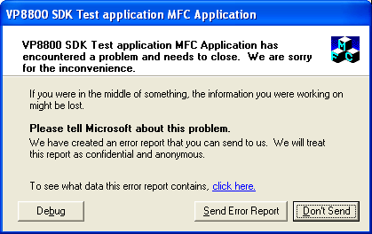

#17 | 1) As you can see here we are sending a 'yes' button with no control ID.

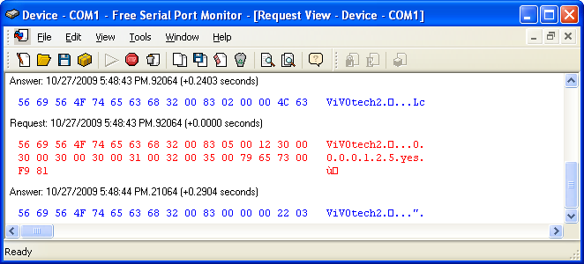

 | 2) However, from the Test App we get an ID of "30004". There shouldn't be a ID if none is returned and if an ID is returned, then it should be correct.

#25 | 1) Display a Yes button on screen.
 | 2) Issue GetInputEvent with 30sec timeout
 | 3) Press a keypad key.
 | 4) Press more keypad keys.
 | 5) Press the Yes button on screen.
 | 6) Issue GetInputEventData.
 | 7) No results received.

#25 New Image A

#25 New Image B

Images 10-28-09
Issue

#17a | 1) As you can see no ID is returned on Display Text "credit" in the message log, but SDK Test App shows Textbox ID as 58F46800.
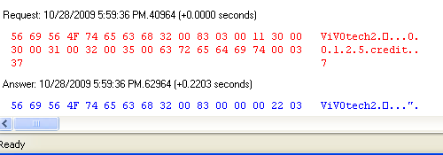

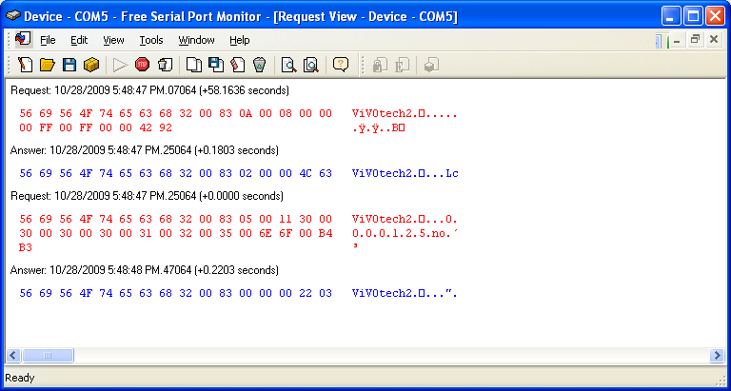
#17b

Images 10-29-09
Issue

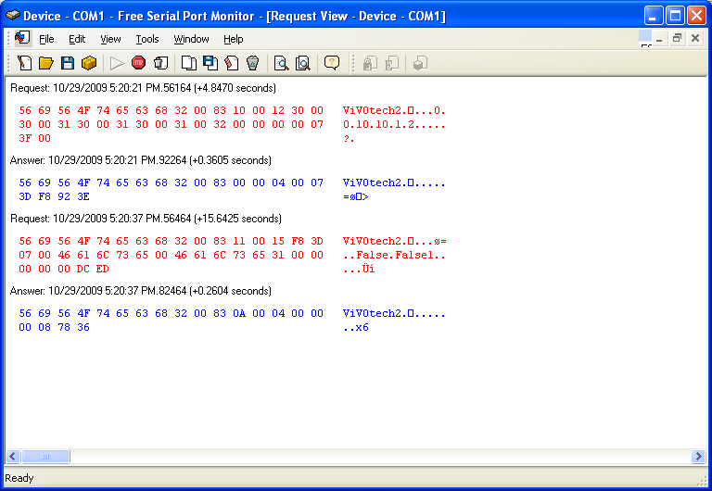
#19

